script
update Tb_MKT_SKD
set IdTb_OPL_Status = 3,
RemarksSys = ISNULL(RemarksSys,'') + ' S0176163'
where SKDNo in ('0000249/4/08/08/2019', '0000373/4/01/07/2019', '0000250/4/08/08/2019', '0000251/4/08/08/2019')
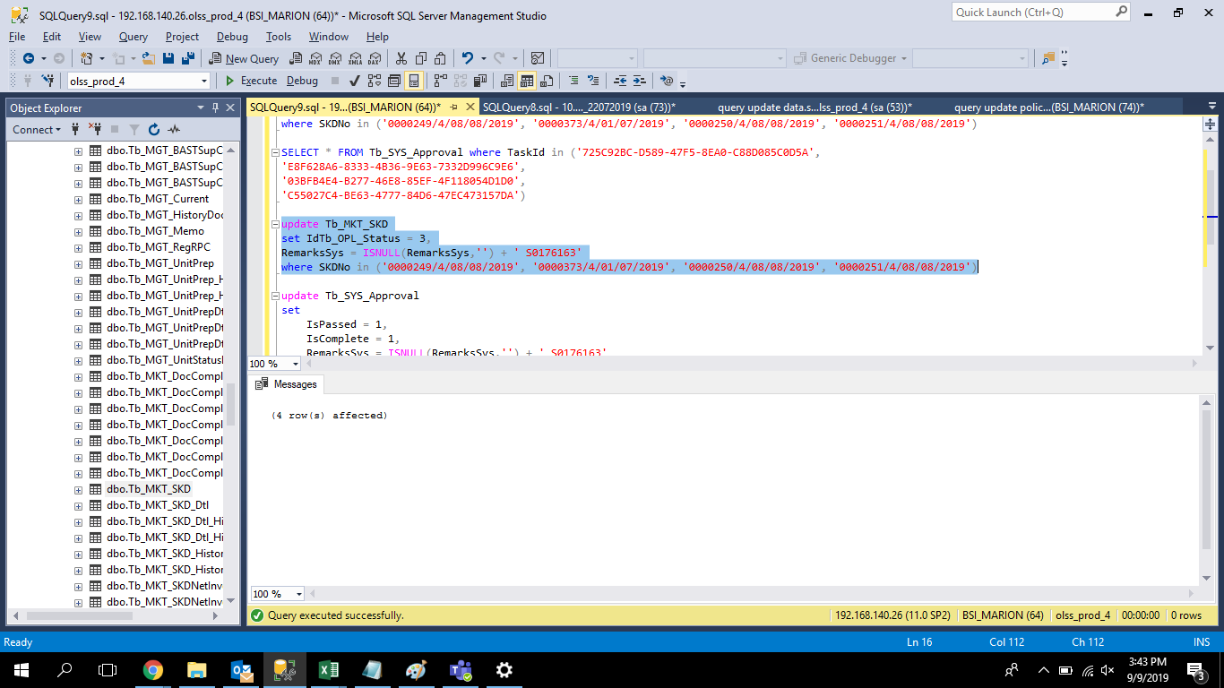

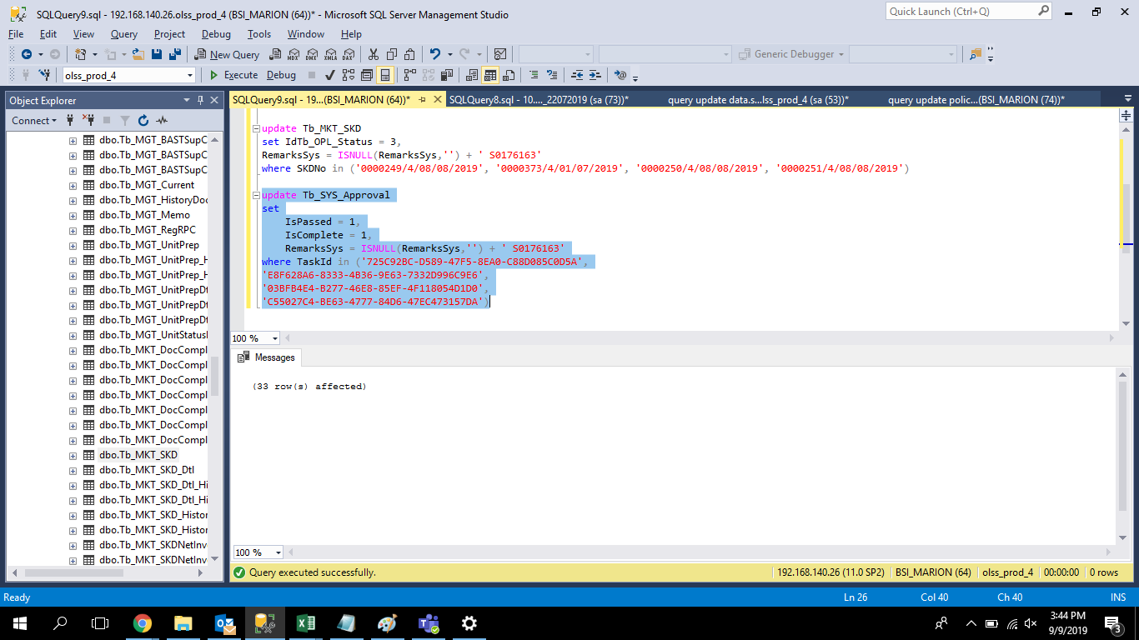
update Tb_SYS_Approval
set
 | IsPassed = 1,
 | IsComplete = 1,
 | RemarksSys = ISNULL(RemarksSys,'') + ' S0176163'
where TaskId in ('725C92BC-D589-47F5-8EA0-C88D085C0D5A',
'E8F628A6-8333-4B36-9E63-7332D996C9E6',
'03BFB4E4-B277-46E8-85EF-4F118054D1D0',
'C55027C4-BE63-4777-84D6-47EC473157DA')

screenshoot
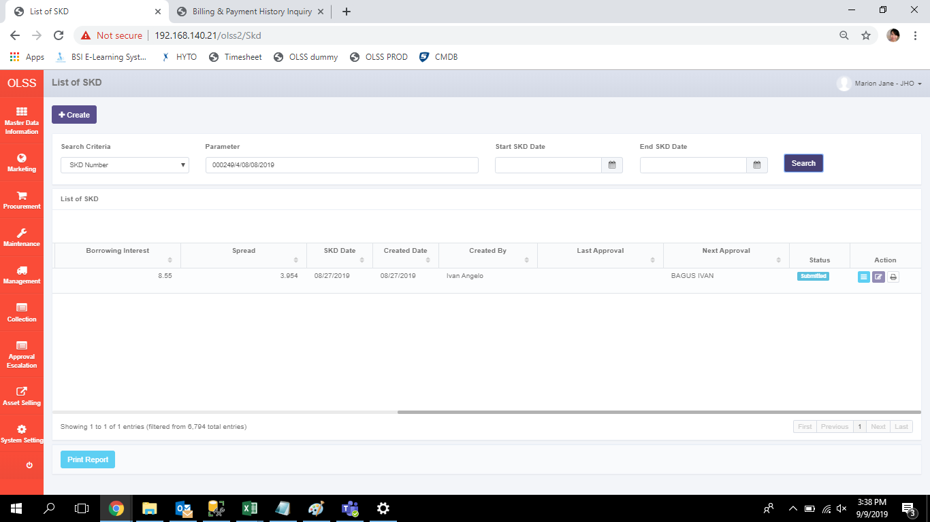







BEFORE | AFTER

